BUG Report
Defect Tracking LOG
Hotel Booking Management

BUG |  |  |  | BUG OVERVIEW |  |  | BUG DETAILS |  |  | BUG TRACKING |  |  |  | FIX |  | NOTES
BUG ID | Module Name | REPORTED BY | DATE REPORTED | TCID | SUMMARY | SCREENSHOT | STEPS TO REPRODUCE | EXPECTED RESULT | ACTUAL RESULT | DEFECT SEVERITY | DEFECT PRIORITY | ASSIGNED TO | STATUS | RESOLUTION | DATE OF FIX | NOTES
HBM_001 | Login | Avinash | 2024-09-26 | HBM_TS01_TC06 | login should be fails when the username entered with incorrect capitalization. | 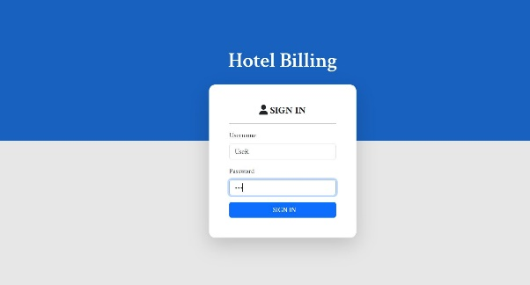 | 1. open Browser 2.search url 3.Page should redirect to login page 4.Enter Username with incorrect Capitalization 5.click on Login button | should display an error message indicating that the username or password is incorrect. | Login Successful | Major | Medium | Omkar P. | Open
HBM_002 | Add Customer | Avinash | 2024-09-26 | HBM_TS03_TC04 | Mobile number Should be ten Digit | 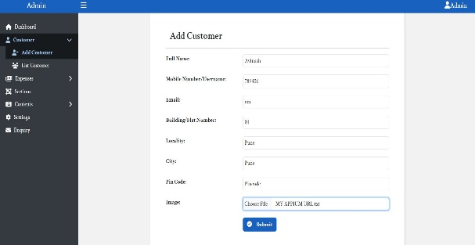 | 1.login 2.click on Side Bar 3.click on Add customer 4.Enter Invalid Mobile number 5.click to Submit | Error Message Should be displayed indication "Enter Valid Mobile Number" | User Added Successfully | Major | High | Omkar P. | Open
HBM_003 | Add Customer | Avinash | 2024-09-26 | HBM_TS03_TC05 |  Email Address Should be in Appropriate format |  | 1.login 2.click on Side Bar 3.click on Add customer 4.Enter Invalid Email Address 5.click to Submit | Error Message Should be displayed indication "Enter Valid Email" | User Added Successfully | Major | Medium | Omkar P. | Open
HBM_004 | Add Customer | Avinash | 2024-09-26 | HBM_TS03_TC06 | Pin input can Take only Numbers |  | 1.login 2.click on Side Bar 3.click on Add customer 4.Enter pin with Characters 5.click to Submit | Error Message Should be displayed indication "Enter Valid Pin Coder" | User Added Successfully | Minor | Low | Omkar P. | Open
HBM_005 | Add Customer | Avinash | 2024-09-26 | HBM_TS03_TC07 | Upload Image Type should be JPG or PNG |  | 1.login 2.click on Side Bar 3.click on Add customer 4.Upload file with Text or PDF format 5.click to Submit | Error Message Should be displayed indication "Upload Valid Image" | User Added Successfully | Minor | Low | Omkar P. | Open
HBM_006 | List Customer | Avinash | 2024-09-26 | HBM_TS03_TC11 | Verify that after click on Delete button User Should be Deleted without refresh the Site | 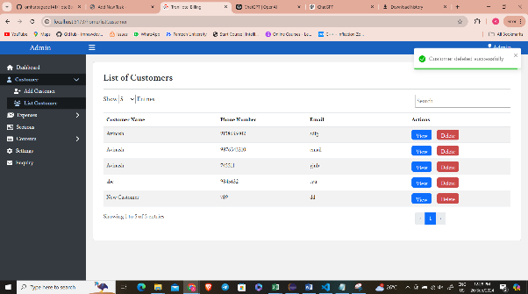  | 1.login 2.click on Side Bar 3.click on List customer 4.Click on Delete Button | User Should be Deleted | displaying "user Deleted message" but need to refresh site for Verification | Minor | Low | Omkar P. | Close
HBM_007 | List Customer | Avinash | 2024-09-26 | HBM_TS03_TC13 | Verify that Search functionality working properly | 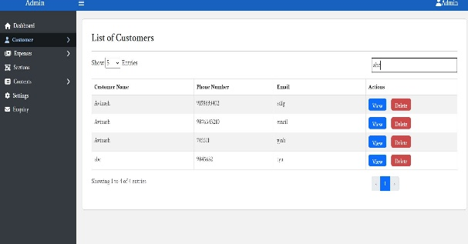 | 1.login 2.click on Side Bar 3.click on List customer 4.Enter Text in Search box | customer List should be filter according to serch characters | Search functionality is not working | Minor | Low | Omkar P. | Open
HBM_008 | View Customer | Avinash | 2024-09-27 | HBM_TS03_TC16 | 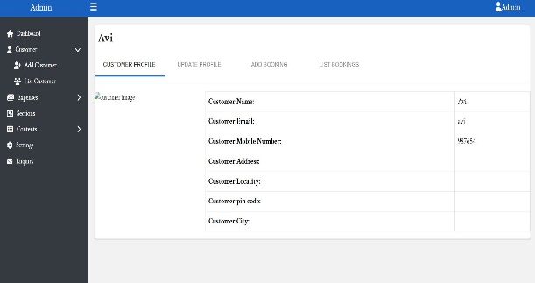 Verify that customer profile displays correct information with uploaded Image |  | 1.login 2.click on Side Bar 3.click on List customer 4.click on view button | All fields such as Profile Photo, Name, Email, Role, and other details should be displayed correctly | Image is not displayed | Minor | Low | Omkar P. | Open
HBM_009 | Update Customer | Avinash | 2024-09-26 | HBM_TS03_TC19 | 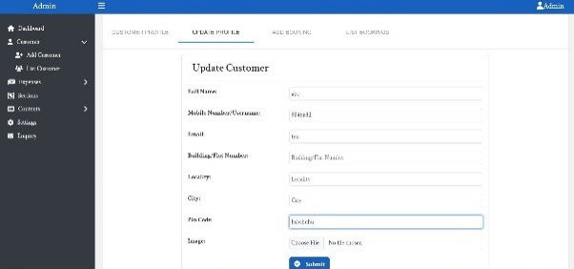 Verify that Validation for Mobile, Email and pin Should be appropriate |  | 1.login 2.click on Side Bar 3.click on List customer 4.click on view button 5.click on Update 6.Enter Invalid Details | Error message should be displayed for invalid Data | User update Successfully | Minor | Low | Omkar P. | Open
HBM_010 | Update Customer | Avinash | 2024-09-26 | HBM_TS03_TC20 | 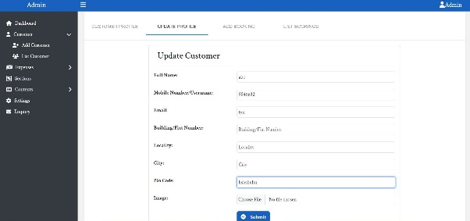 Verify that upload image category should be JPG or PNG |  | 1.login 2.click on Side Bar 3.click on List customer 4.click on view button 5.click on Update 6.Upload invalid image type | Error message should be displayed for invalid Data | User update Successfully | Minor | Low | Omkar P. | Open
HBM_011 | Add Bookings | Avinash | 2024-09-27 | HBM_TS03_TC24 | Verify Date Validation for add bookings Checkout date Should not be before Check In Date | 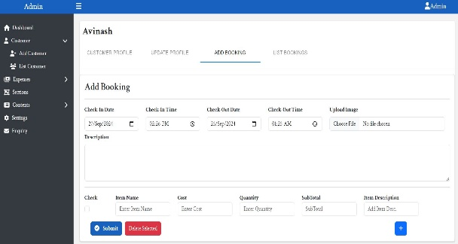 | 1.login 2.click on Side Bar 3.click on List customer 4.click on view button 5.click on Add Bookings 6.Add Booking Check in and Checkout Date | Check out Date Shold not be less than check in Date | Booking Added with invalid Dates | Major | High | Omkar P. | Open
HBM_012 | Add Bookings | Avinash | 2024-09-27 | HBM_TS03_TC25 | Verify that Upload Image type should be JPG or PNG | 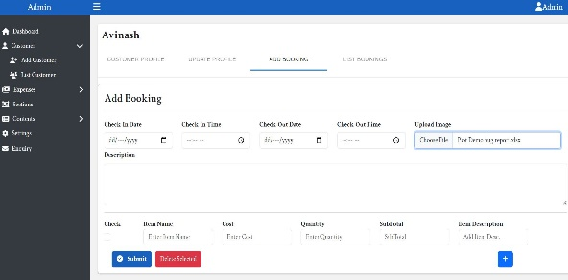 | 1.login 2.click on Side Bar 3.click on List customer 4.click on view button 5.click on Add Bookings 6.Upload Document file In upload image | Error message should be displayed for invalid image type | Document file getting uploaded | Minor | Low | Omkar P. | Open
HBM_013 | List Booking | Avinash | 2024-09-27 | HBM_TS03_TC28 | Verify that Search functionality working | 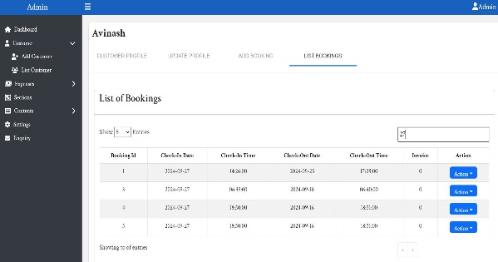 | 1.login 2.click on Side Bar 3.click on List customer 4.click on view button 5.click on List Bookings | Search Functionality should be work | Search functionality is not working | Minor | Low | Omkar P. | Open
HBM_014 | List Booking | Avinash | 2024-09-27 | HBM_TS03_TC33 | Verify that Item Details Should be displayed in View Bookings With Item Name, Item Price, Item Quantity, Sub Total | 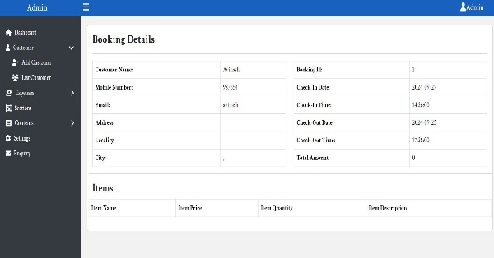 | 1.login 2.click on Side Bar 3.click on List customer 4.click on view button 5.click on List Bookings 6.click on Action button View | Item Details Should be displayed with Item Name, Price, Quantity and sub total | Item Details not Present | Critical | High | Omkar P. | Open
HBM_015 | Add Section | Avinash | 2024-09-27 | HBM_TS04_TC04 | Verify the search functionality | 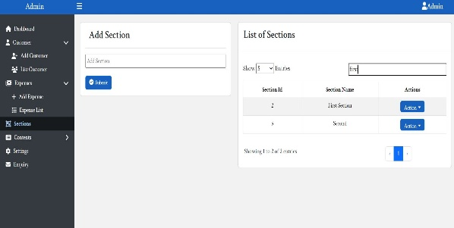 | 1.login 2.click on Side Bar 3.click on Add Sections 4.Enter Text in search box | Search Functionality should be work | Search functionality is not working | Minor | Low | Omkar P. | Open
HBM_016 | Add Content | Avinash | 2024-09-27 | HBM_TS05_TC02 | Verify that validation for empty fields are appropriate | 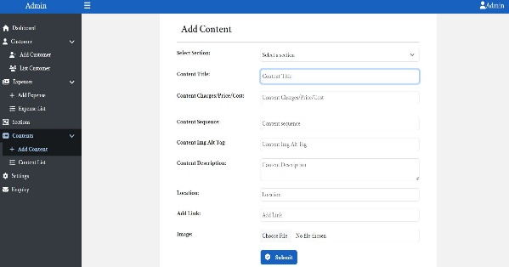 | 1.login 2.click on Side Bar 3.click on Add content 4.Try submitting the form without filling in mandatory fields such as Title, Section, or Date 5. Click 'Submit' | Error message should be displayed for Empty Form | Content getting added | Minor | Low | Omkar P. | Open
HBM_017 | Add Content | Avinash | 2024-09-27 | HBM_TS05_TC03 | Verify that Upload image type should be Jpg or PNG | 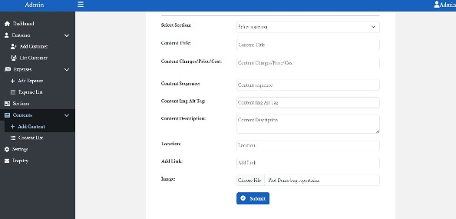 | 1.login 2.click on Side Bar 3.click on Add Content 4.Upload Document file In upload image 5.click on submit | Error message should be displayed for Invlaid image type | Document file getting uploaded | Major | Low | Omkar P. | Open
HBM_018 | List Content | Avinash | 2024-09-27 | HBM_TS05_TC09 | 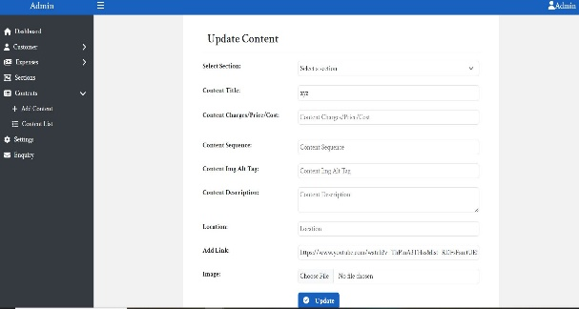 Verify that user is able to Edit Content |  | 1.login 2.click on Side Bar 3.click on List Content 4.Click on edit 5.Enter Details 6.Click on Submit | Content Should be getting Updated | Content Not getting Update | Minor | Low | Omkar P. | Open
HBM_019 | List Content | Avinash | 2024-09-27 | HBM_TS05_TC12 | Verify the ability to delete content | 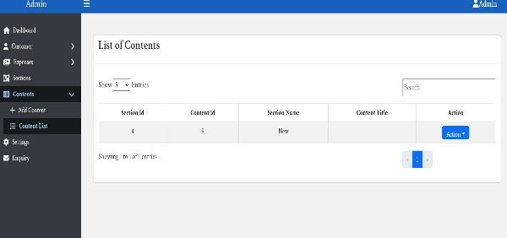 | 1.login 2.click on Side Bar 3.click on List Content 4.Click on Delete | Content Should be getting Deleted | Content Getting Delete but Section is Also Deleted | Critical | High | Omkar P. | Open
HBM_020 | List Content | Avinash | 2024-09-27 | HBM_TS05_TC13 | Verify That Search Functionality is working | 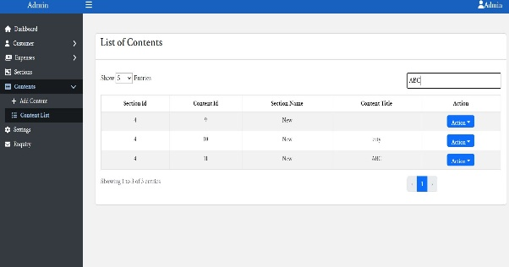 | 1.login 2.click on Side Bar 3.click on List Content 4.Enter text in Serch Box | Search Functionality should be work | Search functionality is not working | Minor | Low | Omkar P. | Open

